INSTITUTIONAL BASICS
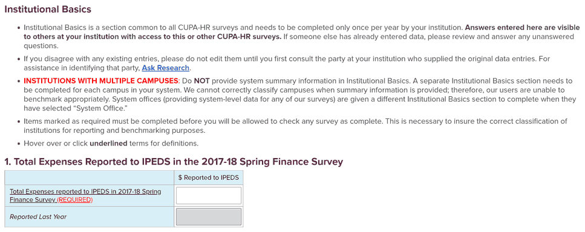
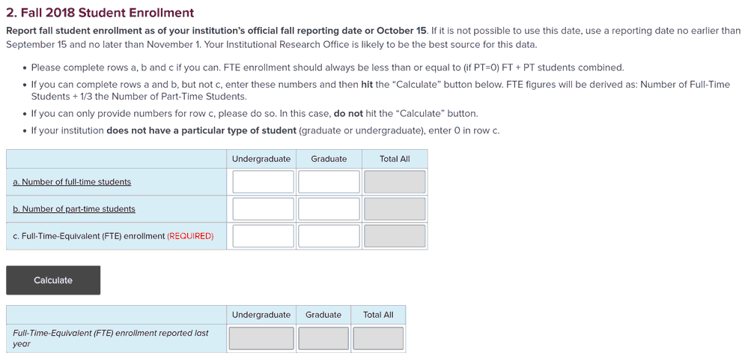
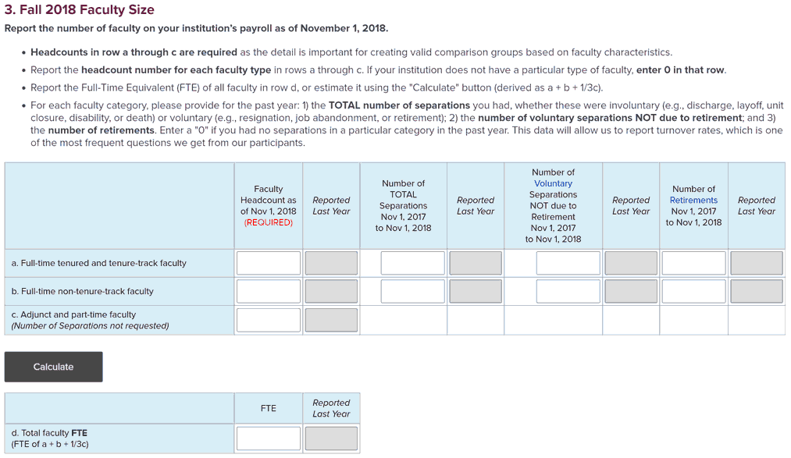
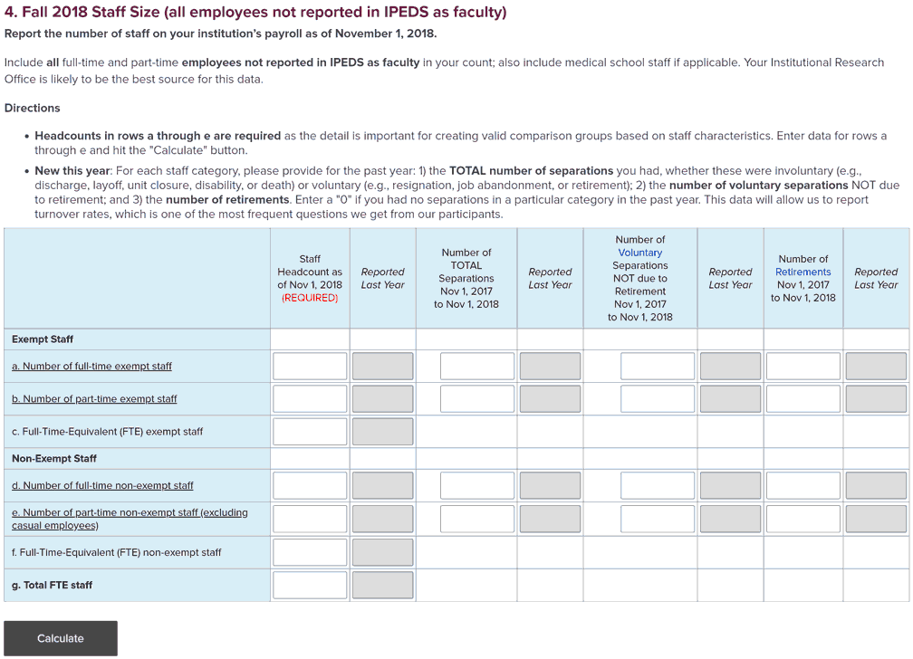
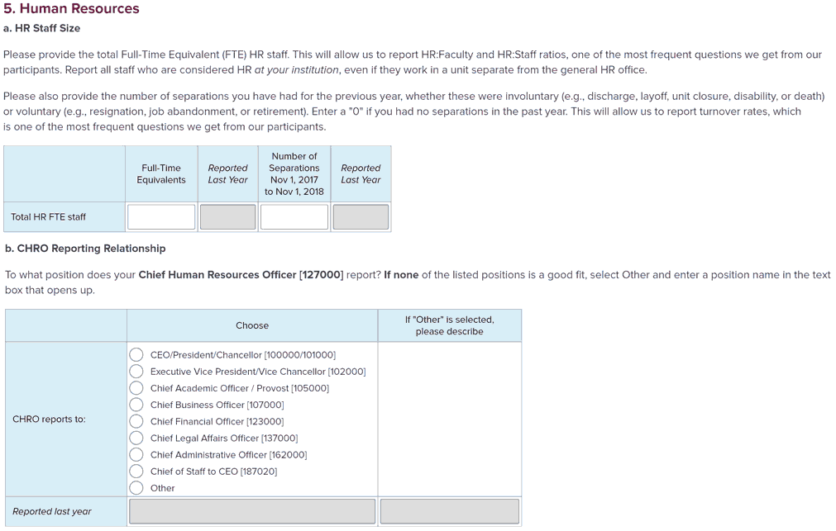
COMPLETE INSTITUTIONAL BASICS FOR YOUR INSTITUTION
Institutional Basics can be accessed through any survey on Surveys Online. Data entered in this section are visible to those at your institution responding to each of our surveys. If someone else has already entered data, please review and answer any unanswered questions. If you disagree with any existing entries in Institutional Basics, first consult the party at your institution who supplied the original data entries before editing. For assistance in identifying that party, Ask Research: research@cupahr.org.
REQUIRED INFORMATION IN INSTITUTIONAL BASICS MUST BE COMPLETED BY SOMEONE AT YOUR INSTITUTION BEFORE YOU CAN CHECK ANY SURVEY COMPLETE AND BE COUNTED AS A PARTICIPANT
This sheet contains screenshots of the questions asked in Institutional Basics. You must enter this data in Surveys Online (not on this sheet). This sheet is not interactive. Data in greyed windows is automatically provided if your institution participated in any surveys last year.

